DESIGN SHEET
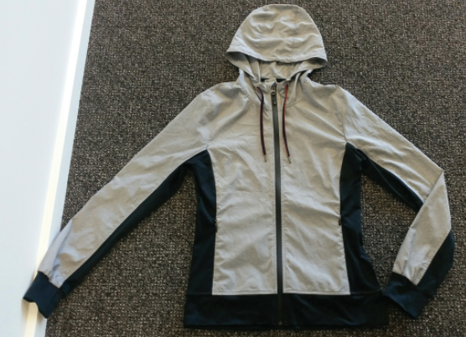
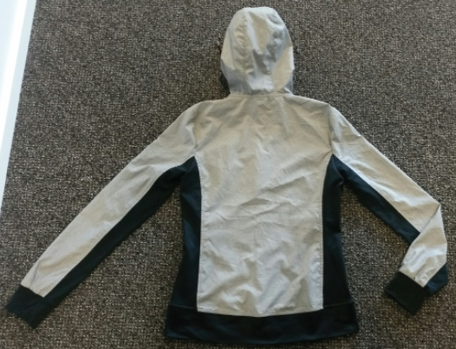
WOMENS SPRAYJACKET DESIGN DETAIL | #776

© 2015. 776BC INTERNATIONAL PTY LTD - 232 YORK STREET, SOUTH MELBOURNE
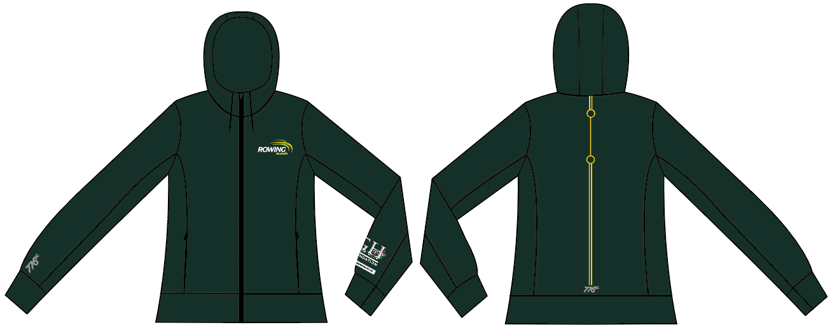 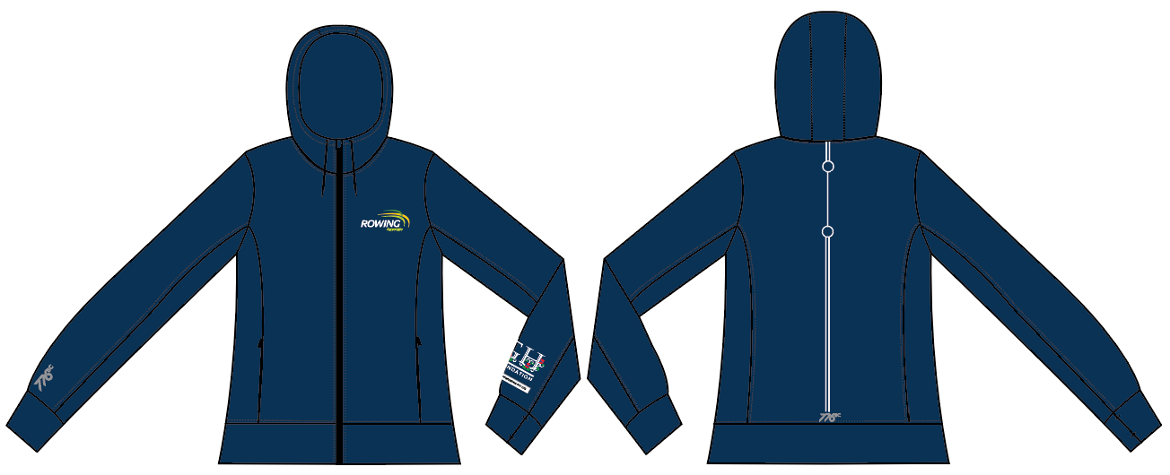 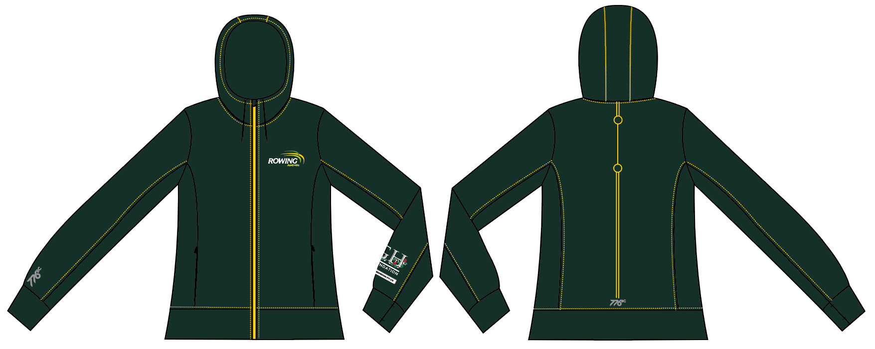 | 2017-01-04 |  |  |  | COLOURWAYS
 | BODY/TRIM DETAILS: | DETAILS: | POSITION DETAIL: | QTY: | C1- GREEN | C2- NAVY | C3- GREEN/YELLOW
 | BODY FABRIC | 100% POLYESTER | BODY |  | PANTONE 5535C | PANTONE 540C | PANTONE 5535C
 | PANEL DETAIL | 100% POLYESTER | CUFF, HEM, SIDE PANELS |  | PANTONE 5535C | PANTONE 540C | PANTONE 5535C
 | THREAD | 100% COTTON | ALL OVER |  | D.T.M PANTONE 5535C | D.T.M PANTONE 540C | D.T.M PANTONE 109C
 | CENTRE FRONT ZIP | QUALITY AS PER REFERENCE SAMPLE | CENTRE FRONT | X1 | PANTONE 540C | PANTONE 540C | PANTONE 109C
C1- GREEN
 | FRONT POCKET ZIPS | QUALITY AS PER REFERENCE SAMPLE | AS PER SKETCH/SPEC | X2 | HIDDEN | HIDDEN | HIDDEN
 | DRAWCORD | QUALITY AS PER REFERENCE SAMPLE | AT WAISTBAND | X1 | SOLID BLACK | SOLID BLACK | SOLID BLACK
 | PRINT 1 | SILVER REFLECTIVE PRINT - AS PER ARTSHEET | RIGHT ARM ABOVE CUFF AS PER ART SHEET & CB HEM AS PER ART SHEET | X2 | AS PER ART SHEET | AS PER ART SHEET | AS PER ART SHEET
 | PRINT 2 | THIN PLASTISOL INK- AS PER ART SHEET | FRONT LEFT CHEST AS PER ART SHEET | X1 | AS PER ART SHEET | AS PER ART SHEET | AS PER ART SHEET
 | PRINT 3 | THIN PLASTISOL INK- AS PER ART SHEET | LEFT ARM ABOVE CUFF AS PER ART SHEET | X1 | AS PER ART SHEET | AS PER ART SHEET | AS PER ART SHEET
 | PRINT 4 | THIN PLASTISOL INK- AS PER ART SHEET | CENTRE BACK | X3 | AS PER ART SHEET | AS PER ART SHEET | AS PER ART SHEET
 | FRONT POCKET BAG | BODY FABRIC | FRONT POCKETS AS PER DESIGN SKETCH | X2 | PANTONE 5535C | PANTONE 540C | PANTONE 5535C

C2-NAVY

C3- GREEN/YELLOW

PHOTOS OF ORIGINAL SAMPLE BEING SENT FOR REFERENCE - PLEASE NOTE SAMPLE IS A SIZE MEDIUM TAGGED BUT WE HAVE USED IT AS A SIZE SMALL AS IT’S A SMALL FIT.

WOMENS SPRAYJACKET
WOMENS TRACKPANT SPEC DETAILS |  |  |  |  |  |  |  |  |  |  | #776
© 2015. 776BC INTERNATIONAL PTY LTD - 232 YORK STREET, SOUTH MELBOURNE
SEASON: | RA 2017 | DATE: |  | 2017-01-04 |  |  |  |  |  | WOMENS SPRAYJACKET RA
STYLE NUMBER: | #776 | SAMPLE SIZE: |  | SMALL
DESCRIPTION: | WOMENS SPRAYJACKET
PROPORTIONAL GRADING RULES |  |  |  |  |  |  |  |  |  | 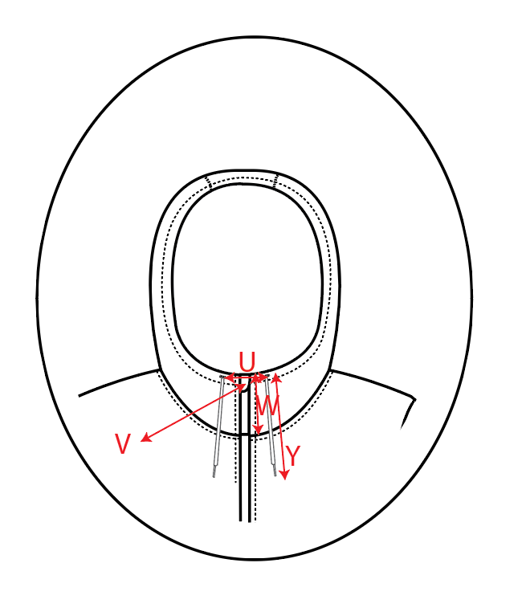 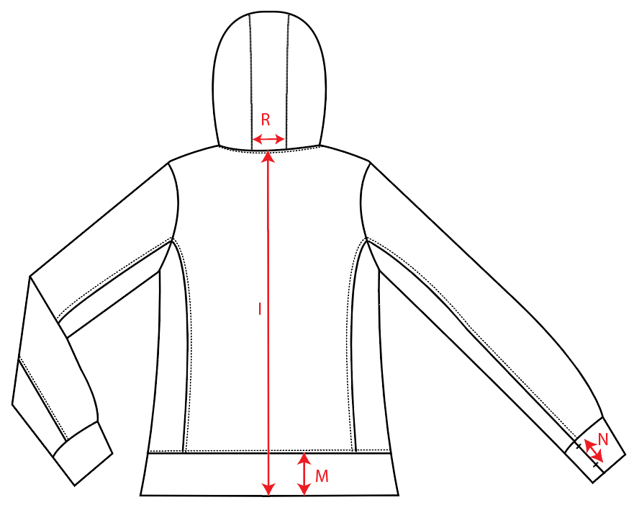 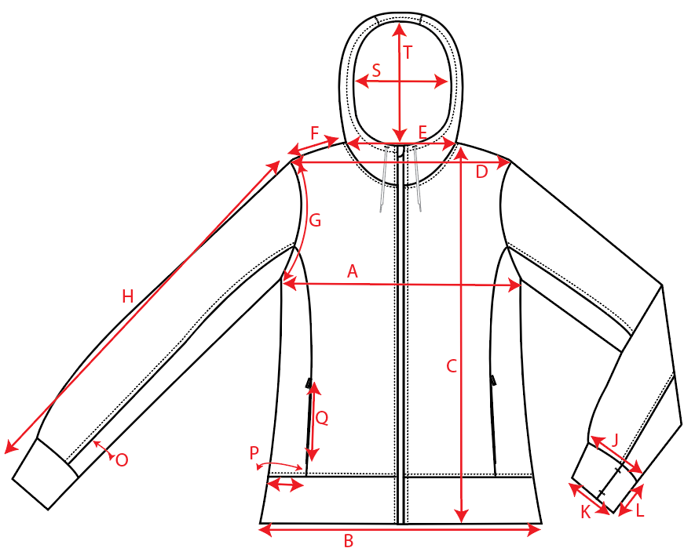
POINT | PATTERN MEASUREMENT (CM) |  | GRADE RULE
 |  |  |  | XS | S | M | L | XL | XXL
A | CHEST CIRC 1/2 |  |  |  | 47.5
B | HEM CIRC 1/2 |  |  |  | 49.0
C | GARMENT LENGTH FRONT HPN TO HEM |  |  |  | 66.0
D | SHOULDER TO SHOULDER POINT |  |  |  | 40.5
E | NECK WITDH |  |  |  | 20.0
E.2 | NECK DROP |  |  |  | 11.0
F | SHOULDER WIDTH |  |  |  | 40.5
G | ARMHOLE CIRC 1/2 |  |  |  | 26.0
H | SLEEVE LENGTH |  |  |  | 69.0
I | BACK LENGTH FROM NECK SEAM TO HEM CB |  |  |  | 66.5
J | SLEEVE BAND TOP CIRC RELAXED 1/2 |  |  |  | 10.5
K | SLEEVE BAND BOTTOM CIRC RELAXED 1/2 |  |  |  | 10
L | SLEEVE BAND HEIGHT |  |  |  | 6.5
M | HEM BAND HEIGHT |  |  |  | 7
N | THUMB HOLE LENGTH |  |  |  | 5
O | SLEEVE PANEL WIDTH |  |  |  | 8
P | SIDE SEAM PANEL WIDTH |  |  |  | 11.0
Q | HIDDEN ZIP LENGTH ON FRONT |  |  |  | 15.0
R | HOOD PANEL WIDTH |  |  |  | 9.5
S | HOOD OPENING WIDTH |  |  |  | 10.5
T | HOOD WOPENING HEIGHT |  |  |  | 28.0
U | DISTANCE BETWEEN DRAWCORD OPENINGS ON HOOD |  |  |  | 7.0
V | ZIP HEAD FLAP LENGTH X WIDTH |  |  |  | 3.5 X 3
W | CF NECK HOOD HEIGHT |  |  |  | 7.5
Y | DRAWCORD LENGTH AT FRONT- RELAXED |  |  |  | 22.0

FABRIC DETAILS: | SIMILAR TO SAMPLE - PLEASE SEND SOME FOR APPROVAL
THREAD DETAILS: | As per design sheet
TRIM DETAILS: | ZIP Quality all as per sample. Solid No logo zip heads.
CARE LABEL DETAILS: | TBA when fabric approved

